Intro
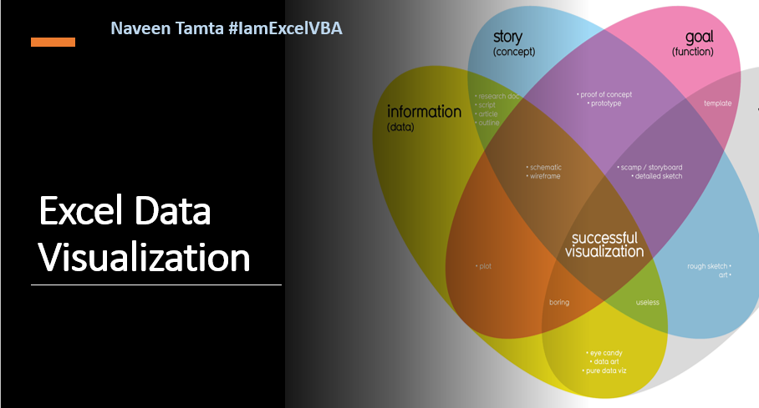

Quarterwise Analysis
Quarterwise Sales Analysis for Agents
 | Central | North County | Westside
Abhishek Kumar | 5370 | 7039 | 2140
Arun Kumar | 2682 | 1034 | 553
Ashok Kumar | 10248 | 4945 | 4858
Pramod Kumar | 2269 |  | 305
Praveen Kumar | 4137 | 2746 | 1613
Rahul Kumar | 7152 | 3553 | 3159
Varun Kumar | 5858 | 3942 | 3668

Monthwise Analysis
Monthwise sales analysis
 | Central - Abhishek Kumar | Central - Arun Kumar | Central - Ashok Kumar | Central - Praveen Kumar | Central - Rahul Kumar | Central - Varun Kumar | North County - Abhishek Kumar | North County - Ashok Kumar | North County - Praveen Kumar | North County - Rahul Kumar | North County - Varun Kumar | Westside - Abhishek Kumar
Total | 1301 | 375 | 1342 | 1557 | 2183 | 1334 | 1169 | 1519 | 837 | 839 | 1405 | 1562

Regionwise Analysis
Regionwise Analysis
 | Apr'19 | Aug'19 | Dec'19 | Feb'19 | Jan'19 | Jul'19 | Jun'19 | Mar'19 | May'19 | Nov'19 | Oct'19 | Sep'19
Abhishek Kumar | 689 | 790 |  | 857 | 558 | 537 | 1562 | 673 |  | 1770 | 329 | 813
ANN |  |  |  |  |  |  |  | 149
Anoop |  |  |  |  |  |  |  |  |  |  | 510
Arun Kumar |  | 239 |  |  | 214 | 314 | 298 |  | 1020 |  | 508
Ashok Kumar | 312 | 1505 |  | 1423 | 985 | 1087 | 479 | 518 | 806 | 2847 | 687 | 2266
Pramod Kumar | 157 |  |  |  |  | 177 |  | 510 |  | 122 |  | 128
Praveen Kumar | 802 |  |  | 261 | 2065 | 594 |  | 734 | 313 | 937 | 2194 | 1019
Rahul Kumar | 807 | 1160 |  | 191 | 660 | 1866 | 837 | 1512 | 361 |  | 1295 | 133
Sweta |  |  |  | 271 |  |  |  |  | 445
Varun Kumar |  | 1185 | 428 | 1361 | 1128 | 1389 | 1529 | 553 | 1182 | 986 | 732 | 1094

